content
Barrel and cover's bolted design (linked to SOP-573)

INSTRUCTIONS
These worksheet allows to check the design of the barrel & cover design in BB5 pumps with approach by formula, in terms of .
Sheet "bolted_design"
The calculation and the verification of the barrel and cover's bolted design is performed, based on ASME VIII Div. 1 Section UG27, Appendix Y and Appendix II.
Sheet "swg_database"
This sheet includes the database of spiralwoung gaskets' loading curves. In this section, the data for an user-defined spiralwound gasket shall be inserted.

0 | 2025-06-11 | First issue | Advanced Mechanical Engineer- M. Di Somma | Client Qualification/ EHSS – A. Banfi/ T. Morelli Stefani | R&D & Prod. Eng. Manager - M.Borghetti
Rev. | Date | Description | Prepared | Checked | Approved
Mod.551-0

bolted_design
INSTRUCTIONS
1) Compile the input data.
2) Verify that the results are satisfied according to the acceptance criteria in all the load conditions.
Design condition |  |  | Bolted joint results |  |  |  | Legend
Tamb [°C] | 20.00 | Ambient temperature | Condition | pdesign & Tdesign | phydro & Tamb |  | input data
Tdesign [°C] | 50.00 | Design temperature | T [°C] | 50.00 | 20.00 | (applicable temperature condition) | descriptor
pdesign [barg] | 278.00 | Design pressure | Ft [N] | 41362.88 | 0.00 | (applicable thermal load) | calculated
phydrotest [barg] | 417.00 | Hydrotest pressure | Fe [N] | 299204.26 | 673603.73 | (applicable external load) | annotation
 |  |  | δb [mm] | 0.4088 | 0.4255 | (bolt elongation)
Bolt |  |  | δf [mm] | -0.0676 | -0.0354 | (barrel and cover elongation) | Warnings legend
Eb [GPa] | 210.00 | Young's modulus of bolt material | Fb [N] | 98032.72 | 139767.44 | (force variation on bolt) | 1 | = Acceptable data. No further analysis are required.
σyb [MPa] | 724.00 | Yield stress of bolt at ambient tempearture | Ff [N] | -201171.54 | -546021.95 | (force variation on barrel and cover) | 0.5 | = Not optimal data. Further analysis is required.
σ'yb [MPa] | 724.00 | Yield stress of bolt at design temperature | Fb,tot [N] | 1022615.65 | 1064350.38 | (bolt resultant force) | 0 | = Not acceptable data. Complete analysis of barrel & cover is required, such as through FEM.
σ'ub [MPa] | 862.00 | Ultimate stress of bolt at design temperature | Ff,tot [N] | 723411.39 | 378560.98 | (barrel and cover resultant force)
αb [mm] | 1.20E-05 | Bolt thermal expansion coefficient | σb [MPa] | 642.980 | 669.221 | (axial stress on bolt)
dn [mm] | 80.00 | Nut diameter
du [mm] | 45.00 | Bolt diameter, unthreaded part | Bolted joint verification
Lu [mm] | 110.00 | Lenght of unthreaded part | σb/σyb [-] | 88.81% | 92.43% | (bolt stress ratio less than 90%)
dt [mm] | 52.00 | Bolt diameter, threaded part | Ff/F0 [-] | 21.76% | 59.06% | (contact force reduction less than 60% of initial tightening)
p [mm] | 5.00 | Pitch | Fb,tot/Fmax [-] | 49.42% | 51.44% | (bolt axial force and max admissible force for barrel thread less than 80%)
sw [mm] | 0.00 | Washer thickness
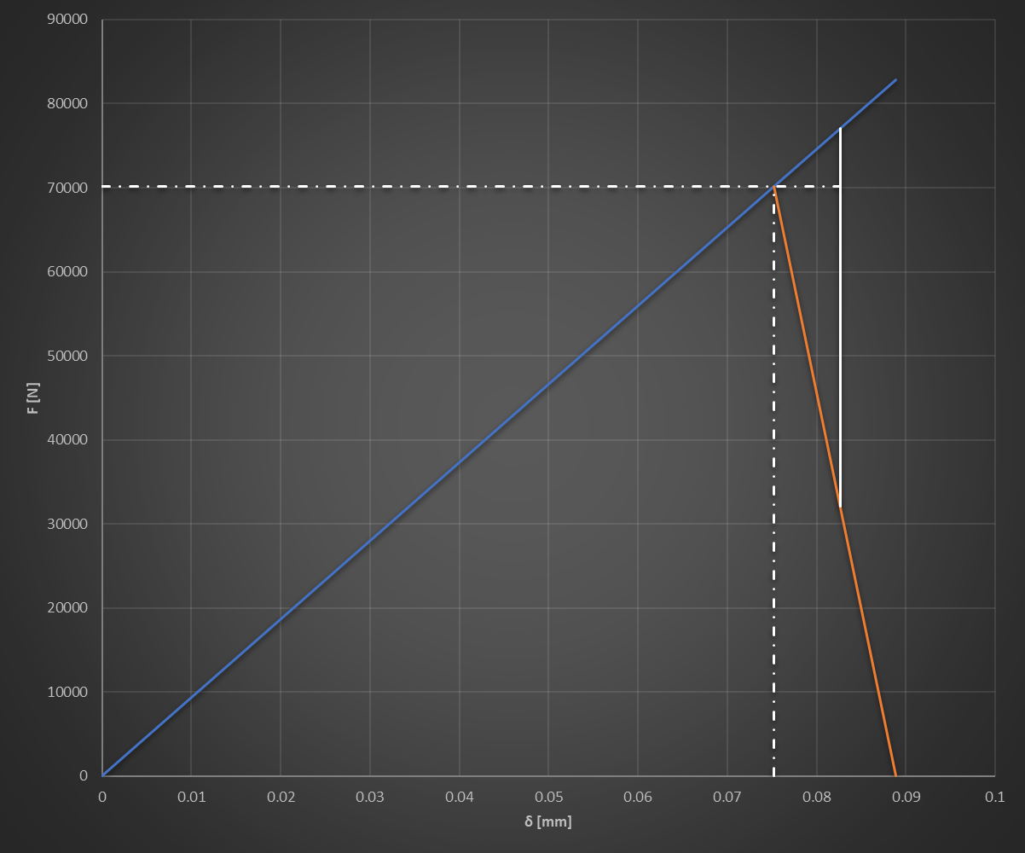
F₀
F_{e}
F_{f}
F_{b}
k_{b}
k_{f}
δ_{b}
δ_{f}
δ
Spiralwound gasket loading curve
 | loading |  | uloading curve |  | operating point |  | unloading 1 |  | unloading 2 |  | unloading 3 |  | unloading 4 |  | unloading 5 |  | unloading 6 |  | unloading 7 |  | unloading 8 |  | unloading 9
#N/A | #N/A | 0.000 | 0.0 | 0.000 | 0.0 | #N/A | 0.000 | #N/A | 0.000 | #N/A | 0.000 | #N/A | 0.000 | #N/A | 0.000 | #N/A | 0.000 | #N/A | 0.000 | #N/A | 0.000 | #N/A | 0.000
#N/A |  | #N/A | 0.0 |  |  | #N/A | #N/A | #N/A | 0.000 | #N/A | 0.000 | #N/A | 0.000 | #N/A | 0.000 | #N/A | 0.000 | #N/A | 0.000 | #N/A | 0.000 | #N/A | 0.000
#N/A
#N/A
#N/A
#N/A
#N/A
#N/A
#N/A
#N/A
#N/A
#N/A
#N/A
#N/A
#N/A
#N/A
#N/A
#N/A
#N/A
#N/A
#N/A
#N/A
#N/A
#N/A
#N/A
#N/A
#N/A
#N/A
#N/A
#N/A
Nbolts [-] | 20 | Number of bolts
ξ [-] | 80% | Tightening ratio, usually 70 - 80% | 1 | Bolt |  | Barrel & Cover
dr [mm] | 47.31 | Tensile stress bolt diameter | δ | Fb | δ | Ff
Lt [mm] | 26.00 | Lenght of threaded part | [mm] | [N] | [mm] | [N]
Au [mm2] | 1590.43 | Area of unthreaded part | 0 | 0 | 0.3862 | 965945.8136
At [mm2] | 1757.83 | Area of threaded part | 0.4764 | 1191645.6985 | 0.4764 | 0.0000
Le [mm] | 136.00 | Bolt effective total lenght | δo | Fo | δo | Fo
kb [N/mm] | 2501353 | Bolt stiffness | [mm] | [N] | [mm] | [N]
 |  |  | 0 | 965945.81 | 0.3862 | 0.0000
Barrel and cover |  |  | 0.4088 | 965945.81 | 0.3862 | 965945.8136
α [°] | 30 | Half apex angle of Rotscher pressure cone | δ | F
ni [-] | 0.30 | Poisson's ratio | [mm] | [N]
σyf [MPa] | 450.00 | Yield stress of barrel and cover at ambient temperature | 0.4088 | 1022615.6493
σ'yf [MPa] | 450.00 | Yield stress of barrel and cover at design temperature | 0.4088 | 965945.8136
σ'uf [MPa] | 690.00 | Ultimate stress of barrel and cover at design temperature | 0.4088 | 723411.39389
Ef [GPa] | 210.00 | Young's modulus of barrel and cover material
d [mm] | 56.00 | Hole diameter
tI [mm] | 435.00 | Barrel flange thickness
tII [mm] | 110.00 | Cover flange thickness
Lh [mm] | 70.00 | Lenght of threaded part of the hole
αf [1/°C] | 1.70E-05 | Flange thermal expansion coefficient
C [mm] | 680.00 | Bolt circle diameter
A [mm] | 800.00 | Outside diameter of the barrel / discharge casing
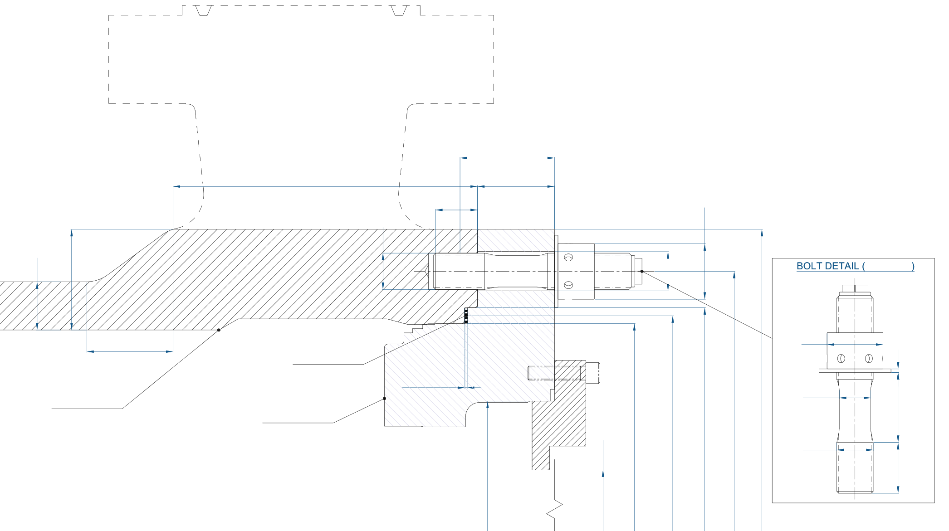
tI [mm] = 435
tII [mm] = 110
Le [mm] = 136
Lh [mm] = 70
d [mm] = 56
du [mm] = 45
dt [mm] = M52x5
C [mm] = 680
dint [mm] = 536
Dext [mm] = 576
G [mm] = 556
dt [mm] = M52x5
du [mm] = 45
dn [mm] = 80
Lu [mm] = 110
Lt [mm] = 26
sw [mm] = 0
N. = 20
O-ring
tf [mm] = 4
A [mm] = 800
h [mm] = 125
g1 [mm] = 135
g0 [mm] = 69
Dcover [mm] = 309
Dshaft,d [mm] = 115
DISCHARGE COVER
BARREL CASING
g1 [mm] | 135.00 | Thickness of hub at back of flange (barrel)
g0 [mm] | 69.00 | Thickness of hub at small end (barrel) - barrel thickness
h [mm] | 125.00 | Hub length
dint [mm] | 536.00 | Barrel internal diameter
Dcover [mm] | 309.00 | Cover internal diameter
Dshaft,d [mm] | 115.00 | Shaft diameter in design condition (minimum diameter at which design pressure is applied)
Dshaft,h [mm] | 80.00 | Shaft diameter in hydrotest (minimum diameter at which hydrotest pressure is applied)
kf [N/mm] | 10705241 | Flange stiffness
nt [-] | 13 | Number of threads gripping the nut except one
Fmax [N] | 2069092 | Maximum admissible load on thread

Gasket
type | Oring | Gasket type
manufacturer | generic | Gasket manufacturer
name |  | Gasket name
tgasket [mm] | #N/A | Gasket nominal thickness
T [°C] | N/A | Gasket characteristic temperature
tf [mm] | 4.00 | Gasket operating thickness
Dext [mm] | 576.00 | Gasket operating thickness
Dint [mm] | 536.00 | Gasket seat internal diameter
G [mm] | 556.00 | Diameter at location of gasket load reaction
δQa [mm] | 0.000 | Gasket compression
QA max [MPa] | 0.00 | Initial gasket pressure load
HG [N] | 0 | Initial gasket load
QA max [MPa] | 0.00 | Final gasket pressure load at design condition
HG [N] | 0 | Final gasket load at design condition
QA max [MPa] | 0.00 | Final gasket pressure load at hydrotest condition
HG [N] | 0 | Final gasket load at hydrotest condition

Tightening load
F0 [N] | 921178 | Initial tightening force on each bolt
F0,design [N] | 924583 | Tightening force on each bolt at design condition
δb [mm] | 0.3696 | Bolt elongation elongation
δf [mm] | -0.0864 | Barrel and cover elongation
F0,hydro [N] | 936769 | Tightening force on each bolt at hydrotest condition
δb [mm] | 0.3745 | Bolt elongation elongation
δf [mm] | -0.0875 | Barrel and cover elongation

Thermal load
Ft [N] | 41363 | Thermal force on each bolt
δb [mm] | 0.017 | Bolt deformation
δf [mm] | -0.004 | Barrel and cover deformation
σb0 [MPa] | 579.20 | Axial stress on bolt due to F0

Pressure load
Fdesign [N] | 5984085 | External force on the flange in design condition
Fhydro [N] | 13472075 | External force on the flange in hydrotest
Fe,design [N] | 299204 | External force on single bolt in design condition
Fe,hydro [N] | 673604 | External force on single bolt in hydrotest
δdesign [mm] | 0.023 | Elongation in design condition
δhydro [mm] | 0.051 | Elongation in hydrotest condition

Design Pressure & Design Temperature
2a [mm] | 743 | Diameter of internal contact circumference with pressure
Cover deformation
 | design condition [mm] |  | gasket |  | bolt |  | gasket |  | bolt |  | fixed point |  | fixed point |  | external radius
0.11531868093 | 154.5 | 0 | 268.00 | 0 | 340.00 | 0.030 | 268.00 | 0.001 | 340.00 | 0 | 371.36 | 0 | 371.36 | 0 | 400.00
0.11116264589 | 159.51020408 | 0.11531868093 | 268.00 | 0.11531868093 | 340.00 |  |  |  |  | 0.11531868093 | 371.36 |  |  | 0.11531868093 | 400.00
0.10704221921 | 164.52040816
0.10295341917 | 169.53061224
0.09889330519 | 174.54081633
0.094859897268 | 179.55102041
0.090852106084 | 184.56122449
0.086869672041 | 189.57142857
0.082913111887 | 194.58163265
0.078983671796 | 199.59183673
0.075083285968 | 204.60204082
0.071214539964 | 209.6122449
0.06738063814 | 214.62244898
0.063585374604 | 219.63265306
0.059833107259 | 224.64285714
0.056128734521 | 229.65306122
0.052477674385 | 234.66326531
0.048885845552 | 239.67346939
0.04535965036 | 244.68367347
0.041905959329 | 249.69387755
0.038532097112 | 254.70408163
0.035245829715 | 259.71428571
0.032055352827 | 264.7244898
0.028969280754 | 269.73469388
0.025996545956 | 274.74489796
0.023146000252 | 279.75510204
0.020426240647 | 284.76530612
0.017845618513 | 289.7755102
0.015412252904 | 294.78571429
0.013134042865 | 299.79591837
0.011018678832 | 304.80612245
0.0090736532117 | 309.81632653
0.0073062702066 | 314.82653061
0.0057236549583 | 319.83673469
0.0043327620649 | 324.84693878
0.003140383528 | 329.85714286
0.0021531561763 | 334.86734694
0.0013775686088 | 339.87755102
0.00081314077975 | 344.8877551
0.00043027940885 | 349.89795918
0.00019248552396 | 354.90816327
6.4320960432E-05 | 359.91836735
1.1356400987E-05 | 364.92857143
1.2267628498E-07 | 369.93877551
0 | 374.94897959
0 | 379.95918367
0 | 384.96938776
0 | 389.97959184
0 | 394.98979592
0 | 400
ya [mm] | 9.27E-18 | Solution from Roark's Formulas for Stress and Strain - Table 11.2
thetaa [°] | 0.00E+00 | Solution from Roark's Formulas for Stress and Strain - Table 11.2
Mra [N] | -2.70E-04 | Solution from Roark's Formulas for Stress and Strain - Table 11.2
ybolt [mm] | 1.36E-03 | Solution from Roark's Formulas for Stress and Strain - Table 11.2 at bolt circle diameter
ygasket [mm] | 3.00E-02 | Solution from Roark's Formulas for Stress and Strain - Table 11.2 at gasket internal diameter
ybolt' [mm] | 1.36E-03 | Solution from Roark's Formulas for Stress and Strain - Table 11.2 at bolt circle diameter
ygasket' [mm] | 3.00E-02 | Solution from Roark's Formulas for Stress and Strain - Table 11.2 at gasket internal diameter
Δybolt [%] | 0.00% | Solution from Roark's Formulas for Stress and Strain - Table 11.2 at bolt circle diameter
Δygasket [%] | 0.00% | Solution from Roark's Formulas for Stress and Strain - Table 11.2 at gasket internal diameter

Hydrotest Pressure & Ambient Temperature
2a [mm] | 792 | Diameter of internal contact circumference with pressure
ya [mm] | -1.08E-16 | Solution from Roark's Formulas for Stress and Strain - Table 11.2
thetaa [°] | 0.00E+00 | Solution from Roark's Formulas for Stress and Strain - Table 11.2
Mra [N] | -7.52E-05 | Solution from Roark's Formulas for Stress and Strain - Table 11.2
ybolt [mm] | 6.23E-03 | Solution from Roark's Formulas for Stress and Strain - Table 11.2 at bolt circle diameter
ygasket [mm] | 5.91E-02 | Solution from Roark's Formulas for Stress and Strain - Table 11.2 at gasket internal diameter
ybolt' [mm] | 6.23E-03 | Solution from Roark's Formulas for Stress and Strain - Table 11.2 at bolt circle diameter
ygasket' [mm] | 5.91E-02 | Solution from Roark's Formulas for Stress and Strain - Table 11.2 at gasket internal diameter
Δybolt [%] | 0.00% | Solution from Roark's Formulas for Stress and Strain - Table 11.2 at bolt circle diameter
Δygasket [%] | 0.00% | Solution from Roark's Formulas for Stress and Strain - Table 11.2 at gasket internal diameter

ASME VIII Div. 1 - Appendix Y - Acceptance criteria (Y-7)
Sf [MPa] | 197.14 | Allowable design stress for material of flange at design temperature (operating condition) or atmospheric temperature (gasket seating)
SB [MPa] | 724.00 | Allowable bolt stress at design temperature
σb/SB [-] | 0.92 | Ratio between operating bolt stress and allowable bolt stress at design temperature (Y-7a)
SH I/Sf [-] | 0.05 | Ratio between longitudinal hub stress and allowable design stress for flange at design temperature (Y-7b)
SR I/Sf [-] | 0.00 | Ratio between radial stress in Flange I at Bolt Circle and allowable design stress for flange at design temperature (Y-7c)
SR I/Sf [-] | 0.02 | Ratio between radial stress in Flange I at Inside Diameter and allowable design stress for flange at design temperature (Y-7c)
SR II/Sf [-] | 2.16 | Ratio between radial stress in Flange II at Bolt Circle and allowable design stress for flange at design temperature (Y-7c)
SR II/Sf [-] | 0.47 | Ratio between radial stress in Flange II at Diameter B1 and allowable design stress for flange at design temperature (Y-7c)
ST I/Sf [-] | 0.06 | Ratio between tangential stress in Flange I at Inside Diameter and allowable design stress for flange at design temperature (Y-7d)
ST II/Sf [-] | 0.36 | Ratio between tangential stress in Flange II at Diameter B1 and allowable design stress for flange at design temperature (Y-7d)
(SH I + SR I)/2/Sf [-] | 0.03 | Ratio between average radial & longitudinal stress in Flange I and allowable design stress for flange at design temperature (Y-7e)
(SH I + ST I)/2/Sf [-] | 0.30 | Ratio between average radial & tangential stress in Flange I and allowable design stress for flange at design temperature (Y-7e)
SR II/Sf [-] | 1.16 | Ratio between radial stress in Flange II at Center of Flange and allowable design stress for flange at design temperature (Y-7f)
ST II/Sf [-] | 1.16 | Ratio between tangential stress in Flange II at Center of Flange and allowable design stress for flange at design temperature (Y-7d)

ASME VIII Div. 1 - Appendix II - Flange rigidity factors (Table 2-14)
Mo [Nm] | 483594 | Total moment for integral-type flanges and optional type flanges designed as integral-type flanges
e | 0.00 | Factor for integral type flange
d | 462173 | Factor for integral type flange
L | 3.74 | Factor for integral type flange
J | 0.02 | Rigidity factor for integral-type flanges and optional type flanges designed as integral-type flanges

ASME VIII Div. 1 - UG-27 - Thickness of shells under internal pressure
tbarrel [mm] | 69.00 | Barrel thickness
E | 1.00 | Joint efficiency (in case of casting, equal to 1)
SF | 3.00 | Safety factor for barrel thickness (minimum 2.5)
p [barg] | 278.00 | Internal design pressure
R [mm] | 268.00 | Inside radius of the shell
S [MPa] | 450.00 | Maximum allowable stress value
tmin [mm] | 51.58 | Minimum required thickness at hydrostatic pressure
t/tmin [-] | 0.75 | Ratio between barrel minimum required and actual thicknesses

